Data
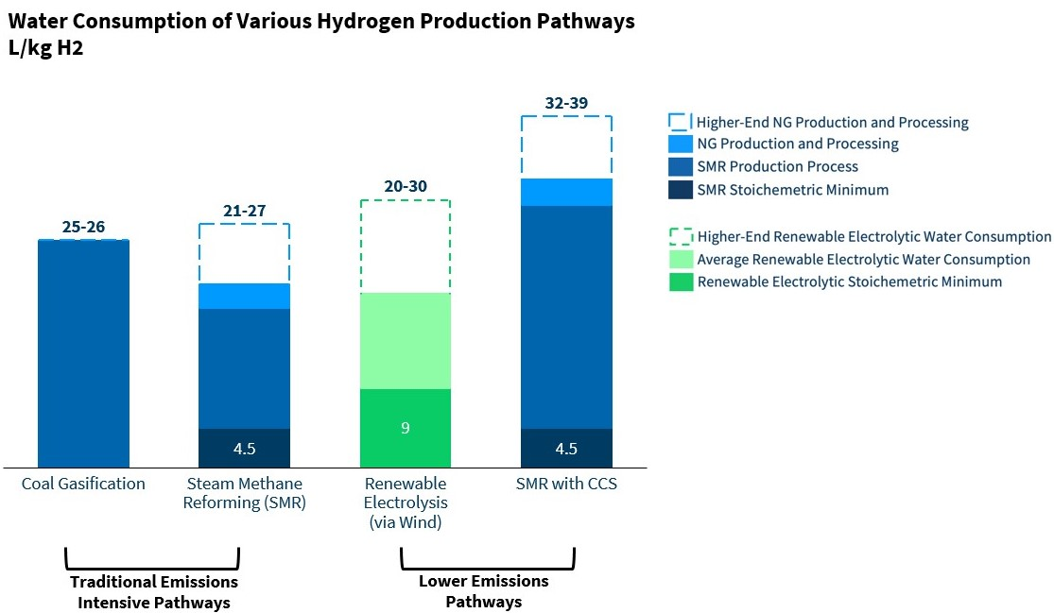

 |  | L/kg H2 |  | L/BTU H2
 |  | average | high | average
 | coal gasification | 25 | 26 | 0.00018585890302
 | grey | 21 | 27 | 0.00015612147854
 | green | 20 | 30 | 0.00014868712242
 | blue | 32 | 39 | 0.00023789939587

 | btu/MMT H2
 | 1.3451064003E+14
 | see web-app/BCF-BpMMTH

 | kg/MMT
 | 1000000000

Exhibit 1: Water consumption across various hydrogen production pathways. Green hydrogen’s estimated total water consumption, shown as a range between 20-30 kg/L, includes of requirements for purification to the levels required for electrolysis and process cooling. For relatively good water quality, consumption on the order of 20 L/kg is expected. As shown by the blue dotted segments, additional upstream water consumption can be seen for the fossil-based processes due to the significant upstream water consumption from natural gas drilling, extraction, and processing, the full picture of which could add over 5 L/kg H2, depending on how and where the gas is extracted. Upstream electricity sources also impact consumption to all pathways, depending on the electricity source. Sources: GREET Model; https://doi.org/10.2172/1224980; RMI analysis

